Top 10 (Excel)
SYMBOL | SECURITY | NET_TRDVAL | AVERAGE | PERCENTAGE
CSSL | CLEAR SECURED SERVICES L | 129783150 | 148.49 | 19.63
SARTELE | SAR TELEVENTURE LIMITED | 97987400 | 204.17 | 14.82
ORIANA | ORIANA POWER LIMITED | 80955348.75 | 1558.51 | 12.24
COOLCAPS | COOL CAPS INDUSTRIES LTD | 70767937.5 | 48 | 10.7
KRMAYURVED | KRM AYURVEDA LIMITED | 70223400 | 177.34 | 10.62
ANNAPURNA | ANNAPURNA SWADISHT LTD | 61652600 | 197.13 | 9.32
SAWALIYA | SAWALIYA FOOD PRODUCTS L | 42417960 | 315.92 | 6.41
VOLERCAR | VOLER CAR LIMITED | 39890960 | 236.63 | 6.03
ALPEXSOLAR | ALPEX SOLAR LIMITED | 35892950 | 759.99 | 5.43
SAHASRA | SAHASRA ELECTRONIC SOLU L | 31733360 | 249.08 | 4.8

 |  |  |  |  | Average

Power BI
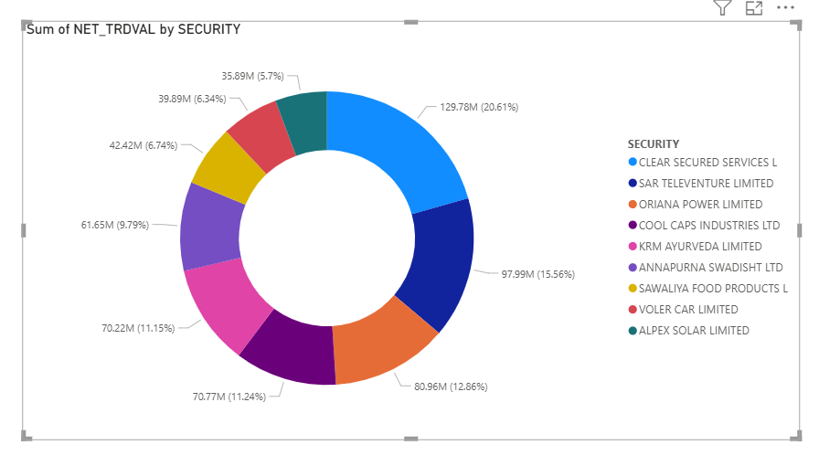

Title: Top 10 SME Stocks Donut Chart

